Conveyor Power
 | M260 SCREW CONVEYORS, FEEDERS, AND MIXERS

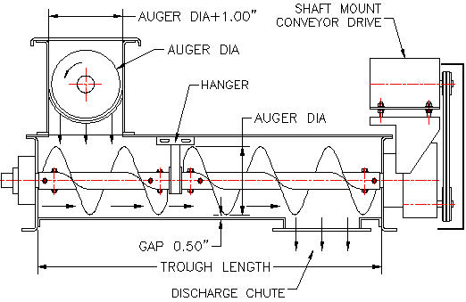

Screw Conveyors
Screw conveyors are used to convey many different bulk materials. Bulk materials are: moved, distributed, elevated, heated, cooled, and collected in screw conveyors. Helical augers are used in: snow throwers, mining equipment, combine harvesters, balers, fertilizer spreaders, and many other applications.
The conveyed materials range in size from powder which is less than 0.006 inches to 3 inch lumps. Bulk material densities range from 4 to 200 lb per cubic foot. See the bulk material densities chart below.
Most screw conveyors manufactured today range in size from 4 to 24 inches diameter. The maximum allowable load of bulk material in a convey is 45% of the screw diameter. A 12 inch diameter screw conveyor filled to 45% can move 1,000 cubic feet of material per hour.
Screw conveyors should not be filled above 45%. Higher conveyor trough load levels result in reverse flow and reduced efficiency. Abrasive materials and materials having lumps greater than 0.5 inches should not be loaded above 30%. Lump sizes between 0.63 and 3.00 inches should be loaded to a maximum of 15%.
Standard pitch of screw conveyor augers is equal to auger diameter.

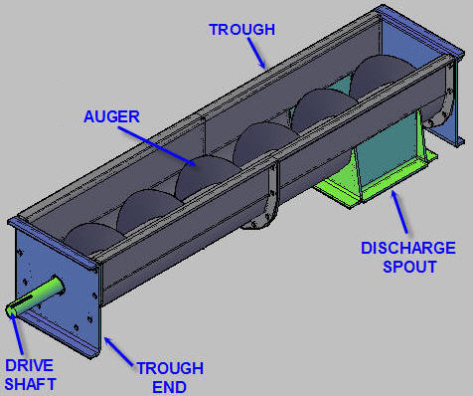

 | Screw Conveyor Components
Screw conveyors are manufactured in 10 and 12 foot lengths. Multiple troughs may be bolted end to end. 100 foot long screw conveyors are possible.
Trough inside diameter is one inch more than screw diameter.
A 12 inch diameter screw will be placed inside a 13 inch inside diameter trough.

A non standard length trough can be bolted at any section of the conveyor.
Discharge spouts can be located at any point in the trough bottom.
Standard spouts have a square opening equal to trough inside diameter.
Discharge at several locations is possible.
Multiple discharge spouts fitted with slide gates may be located along the length of the trough.

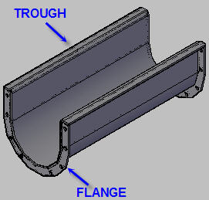

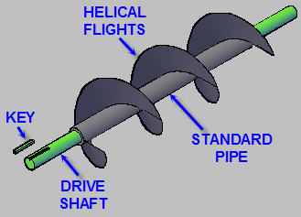

Helical Augers
Sectional helical screw flights, called augers, are formed, from a flat disc with a hole in the middle, with a press. A .
The helical sections are welded to standard carbon steel pipe. Continuous helical auger flights are also available at a higher cost.
Standard Auger Diameters
4, 6, 9, 10, 12, 14, 16, 18, 20, 24 inches.
See Torque Limits under the "Conveyor Dimensions" tab below.

Spread Sheet Method
1. Type in values for the input data.
2. Enter.
3. Answer: X = will be calculated.
4. Automatic calculations are bold type.
Protect or Unprotect Spreadsheet
1. Select drop-down menu: Format
2. Pick: Protect or Unprotect
3. OK

Goal Seek at "Math Tools" tab below.
When using Excel's Goal Seek, unprotect the spread sheet by selecting:
Drop down menu: Tools > Protection > Unprotect Sheet > OK
When Excel's Goal Seek is not needed, restore protection with:
Drop down menu: Tools > Protection > Protect Sheet > OK

 | HELICAL SCREW CONVEYOR CAPACITY
 | Use the calculation below for preliminary estimates and process planning.

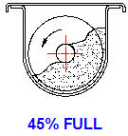
 |  |  |  | EXAMPLE ONLY
 | Screw Conveyor Capacity at 45% Loading |  |  | Screw Conveyor Capacity at 45% Loading
 |  | Input |  |  | Input
 | Bulk material name = |  |  | Bulk material name =
 | Bulk material density, MD = | 50 | lb/cu ft | Bulk material density, MD = | 50 | lb/cu ft
 | Auger diameter, D = | 12 | in | Auger diameter, D = | 12 | in
 | Speed, RPM = | 63 | rev/min | Speed, RPM = | 63 | rev/min
 |  | Calculations |  |  | Calculations
 | Screw Conveyor Loading, L = | 45% |  | Screw Conveyor Loading, L = | 45%
 | Screw Conveyor Capacity Factor |  |  | Screw Conveyor Capacity Factor
 | F = | 0.0155*D^3 - 0.1221*D^2 + 1.0839*D - 3.1548 |  | F = | 0.0155*D^3 - 0.1221*D^2 + 1.0839*D - 3.1548
 | F = | 19.05 | cu ft per hr @ 1 rpm | F = | 19.05 | cu ft per hr @ 1 rpm
 | Screw Conveyor Volume |  |  | Screw Conveyor Volume
 | V = | F*RPM |  | V = | F*RPM
 | V = | 1200 | cu ft/hr | V = | 1200 | cu ft/hr
 | Screw Conveyor Capacity |  |  | Screw Conveyor Capacity
 | C = | V*MD |  | C = | V*MD
 | C = | 60000 | lb/hr | C = | 60000 | lb/hr

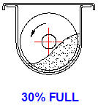
 | Screw Conveyor Capacity at 30% Loading
 |  | Input
 | Bulk material name =
 | Bulk material density, MD = | 50 | lb/cu ft
 | Auger diameter, D = | 20 | in
 | Speed, RPM = | 32 | rev/min
 |  | Calculations
 | Screw Conveyor Loading, L = | 30%
 | Screw Conveyor Capacity Factor
 | F = | 0.0094*D^3 - 0.0598*D^2 + 0.6767*D - 2.4536
 | F = | 62.36 | cu ft @ 1 rpm
 | Screw Conveyor Volume
 | V = | F*RPM
 | V = | 2000 | cu ft/hr
 | Screw Conveyor Capacity
 | C = | V*MD
 | C = | 100000 | lb/hr

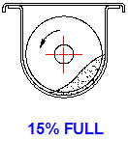
 | Screw Conveyor Capacity at 15% Loading
 |  | Input
 | Bulk material name =
 | Bulk Material Density, MD = | 95 | lb/cu ft
 | Auger diameter, D = | 16 | in
 | Speed, RPM = | 50 | rev/min
 |  | Calculations
 | Screw Conveyor Loading, L = | 15%
 | Screw Conveyor Capacity Factor
 | F = | 0.0047*D^3 - 0.0288*D^2 + 0.3231*D - 1.1649
 | F = | 15.88 | cu ft @ 1 rpm
 | Screw Conveyor Volume
 | V = | F*RPM
 | V = | 800 | cu ft/hr
 | Screw Conveyor Capacity
 | C = | V*MD
 | C = | 76000 | lb/hr

 | CAPACITY REDUCTION DUE TO INCLINE
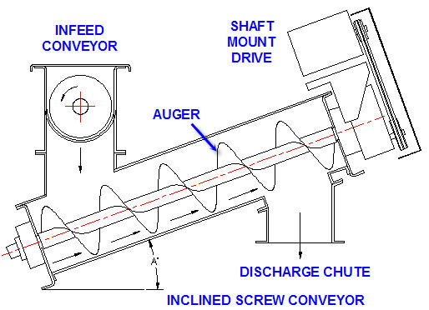

 | Inclined Screw Conveyor Capacity
 |  | Input
 | Conveyor Incline angle, A = | 15 | degrees
 | Capacity Horizontal, C = | 600 | cu ft/hr
 |  | Calculation
 | Capacity Reduction, CR = | -0.0486*A + 4.9571*A -35.571
 | CR = | 38.06%
 | Capacity at Angle A deg., CA = | C*(1 - CR)
 | CA = | 372 | cu ft/hr

 | CLASSIFICATION OF MATERIALS
Sizes: Fine (Less than: 1/8 inch), Granular (1/8 to 1/2 inch), Lumpy (1/2 to 3 inch).
Densities: Less than: 1.0 lb/cu ft to 200 lb/cu ft.
Flow abilities: Free flowing (< 30 degrees), Sluggish (> 30 degrees)
30 degrees is the angle of repose or the slop of a conical pile resulting from poring the material onto a horizontal surface.
Abrasiveness: Non-abrasive to Very abrasive.
Other Characteristics: Interlocks and tangles to aerate and becomes fluid.

.
 | Group 1 (45% max fill) | Friction Factor | Density
 | Free flowing and dry | CF | MD lb/cu ft
 | Oats | 0.45 | 26
 | Rice | 0.45 | 36
 | Barley, Beans, Grains, | 0.45 | 38
 | Corn Meal | 0.45 | 39
 | Cotton Seed Meal | 0.45 | 40
 | Flax Seed | 0.45 | 45
 | Soybeans, Wheat. | 0.45 | 47
 | Pulverized Coal | 0.45 | 50

 | Group 2 (45% max fill) | Friction Factor | Density
 | Granular | CF | MD lb/cu ft
 | Sawdust | 0.64 | 11
 | Soda Ash | 0.64 | 23
 | Coffee Roasted Beans | 0.36 | 24
 | Coffee Green Beans | 0.43 | 32
 | Fly Ash, Flue Dust | 0.36 | 40
 | Pulverized Alum | 0.54 | 47
 | Coal slack, Coal fines | 0.82 | 50

 | Group 3 (30% max fill) | Friction Factor | Density
 | Small lumps | CF | MD lb/cu ft
 | Cotton Seed Dry | 0.82 | 25
 | Dry Coal Ashes | 3.60 | 38
 | Cotton Seed Lumpy Cake | 0.82 | 43
 | Borax | 0.64 | 53
 | Alum Lumpy | 1.26 | 55
 | Wet Brewers Grains | 0.54 | 57
 | Damp Soda Ash | 0.64 | 60
 | Salt Common Dry Coarse | 1.08 | 75
 | Gypsum, Raw | 1.32 | 95

 | Group 4 (30% max fill) | Friction Factor | Density
 | Small dry lumps, semi-abrasive | CF | MD lb/cu ft
 | Zinc Oxide Light | 0.90 | 12
 | Zinc Oxide Heavy | 0.90 | 33
 | Clay, Fuller's Earth Raw | 1.80 | 38
 | Coal | 1.83 | 50
 | Sulphur | 0.72 | 55
 | Raw Sugar Beet | 0.90 | 60
 | Limestone Screenings | 1.80 | 68
 | Lead Arsenate | 0.90 | 72
 | Cement Portland | 1.26 | 75
 | Bauxite | 1.62 | 80
 | Phosphate Sand | 1.26 | 95

 | Group 5 (15% max fill) | Friction Factor | Density
 | Abrasive lumps | CF | MD lb/cu ft
 | Silica Sand Dry | 3.60 | 95
 | Flue Dirt | 6.00 | 40

 | SCREW CONVEYOR POWER
 | Use the calculation below for preliminary estimates and process planning.
 | Final screw conveyor performance shall be determined by the screw conveyor vendor.
 |  | Input
 | Bulk material name =
 | Screw Conveyor Volume, V = | 1200 | cu ft/hr
 | Screw fill percent, SF = | 45%
 | Screw diameter, D = | 12 | in
 | Screw speed, N = | 63 | rpm
 | Screw conveyor length, L = | 20 | ft
 | Conveyor drive efficiency, E = | 85%
 | Bulk material density, MD = | 50 | lb/cu ft
 | Material friction factor, CF = | 0.45
 |  | Calculation
 | Length factor, LF = | 2E-06x3 - 0.0002x2 + 0.0005x + 1.039
 | LF = | 0.985
 | Weight of material in conveyor, W = | SF*MD*L*LF*3.142*(D/12)^2 / 4
 | W = | 348 | lb
 | Screw flight angle, A = | 45 | deg
 | Material friction force, F = | W*CF*Sin(A / 57.2956)
 | F = | 111 | lb
 | Torque, T = | F*(D/12) / 2
 | T = | 55 | ft-lb
 | Conveyor motor power, HP = | N*T / (5252*E)
 | HP = | 0.8 | hp

 |  | END OF SECTION

Conveyor Dimensions
SCREW CONVEYORS, FEEDERS, AND MIXERS

Screw Conveyor Layout
Both right and left hand augers are available.
Standard screw conveyor troughs are manufactured in 10 and 12 foot full lengths and 5 and 6 foot half lengths.
A single odd length chute for a screw conveyor will be manufactured as required for the overall conveyor length specified by the engineer.
Auger shaft torsion stiffness limits conveyor lengths to approximately 75 feet.
Standard trough inside diameter is 1.00 inch larger than screw size.
An opening at any point in the trough cover will be provided for an inlet chute.
One or more discharge chutes can be supplied. Discharge chute size is equal to trough inside diameter and square. The location of a discharge can be flush with the trough end or any point back from the end.
The screw conveyor drive can be at either discharge or intake end but discharge is preferred because pipe and couplings will be in tension.
Seals are provided at each end of the screw conveyor to protect bearings.
Hanger bearings can be supplied for supporting the mid section of heavily loaded long length screw shafts.

Screw Conveyor Drive Shaft

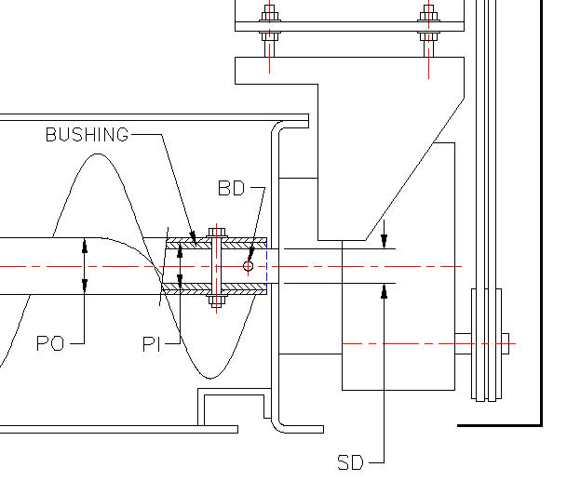

Drive Shaft Strength
A typical screw conveyor drive shaft, bushing, and pipe is illustrated above.
Two or three drive shaft bolts are provided in either a 2 or 3 inch inside diameter standard schedule 40 pipe.
A bushing fills the space between shaft and pipe.

 |  |  | EXAMPLE ONLY
 | Input |  |  | Input
Motor power, HP = | 0.75 | hp | Motor power, HP = | 0.75 | hp
Motor speed, N = | 1760 | rpm | Motor speed, N = | 1760 | rpm
Belt pulley or chain sprocket ratio, PR = | 2 |  | Belt pulley or chain sprocket ratio, PR = | 2
Shaft mount gear drive ratio, GR = | 30 |  | Shaft mount gear drive ratio, GR = | 30
Conveyor motor start factor, SF = | 1.5 |  | Conveyor motor start factor, SF = | 1.5
Pipe inside diameter, PI = | 2 | in | Pipe inside diameter, PI = | 2 | in
Pipe wall thickness, PW = | 0.25 | in | Pipe wall thickness, PW = | 0.25 | in
Drive shaft diameter, SD = | 1.5 | in | Drive shaft diameter, SD = | 1.5 | in
Shaft bolt diameter, BD = | 0.5 | in | Shaft bolt diameter, BD = | 0.5 | in
Number of shaft bolts, NB = | 2 |  | Number of shaft bolts, NB = | 2
Bolt allowable shear stress, BAS = | 12000 | lb/sq in | Bolt allowable shear stress, BAS = | 12000 | lb/sq in
Pipe allowable shear stress, PAS = | 36000 | lb/sq in | Pipe allowable shear stress, PAS = | 36000 | lb/sq in

 | Calculations |  |  | Calculations
Motor torque, MT = | SF*63024*HP / N |  | Motor torque, MT = | SF*63024*HP / N
MT = | 40 | in-lb | MT = | 40 | in-lb
Torque applied to shaft, T = | MT*PR*GR |  | Torque applied to shaft, T = | MT*PR*GR
T = | 2417 | in-lb | T = | 2417 | in-lb
Pipe outside diameter, PO = | PI + 2*PW |  | Pipe outside diameter, PO = | PI + 2*PW
PO = | 2.500 |  | PO = | 2.500
Pipe polar section constant, J = | 3.142*(PO^2 - PI^2) / 32 |  | Pipe polar section constant, J = | 3.142*(PO^2 - PI^2) / 32
J = | 0.221 | in^4 | J = | 0.221 | in^4
Pipe torsion shear stress, PS = | T*PO / J |  | Pipe torsion shear stress, PS = | T*PO / J
PS = | 27353 | lb/sq in | PS = | 27353 | lb/sq in
Pipe safety factor, PSF = | PAS / PS |  | Pipe safety factor, PSF = | PAS / PS
PSF = | 1.32 |  | PSF = | 1.32
Shear area of one shaft bolt, BA = | 3.142*BD^2 / 4 |  | Shear area of one shaft bolt, BA = | 3.142*BD^2 / 4
BA = | 0.196 |  | BA = | 0.196
Bolt torsion shear stress, BS = | T / (NB*BA*SD / 2) |  | Bolt torsion shear stress, BS = | T / (NB*BA*SD / 2)
BS = | 8206 | lb/sq in | BS = | 8206 | lb/sq in
Bolt safety factor, BSF = | BAS / BS |  | Bolt safety factor, BSF = | BAS / BS
BSF = | 1.46 |  | BSF = | 1.46

 | END OF SECTION

Feeder & Mixers
SCREW CONVEYORS, FEEDERS, AND MIXERS

Screw Feeders
Screw feeders are used to remove materials at carefully controlled rates from small hoppers and large bins.
Feeder troughs are filled to 100% and the screw flights are flooded.
The helical screw flights have a reduced pitch in the intake portion of the feeder and full pitch in the discharge area.
Standard pitch within the feeder hopper area is one half full pitch. Full pitch is equal to auger diameter.
Multiple screws side by side in bin bottoms are also used as feeders effectively and reliably.

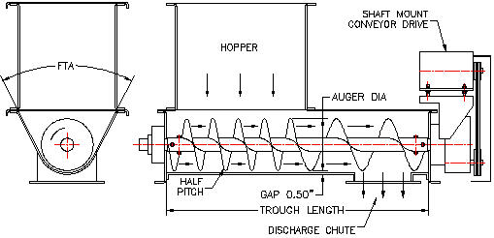

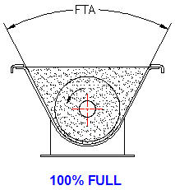

HELICAL SCREW FEEDER CAPACITY
Use the calculation below for preliminary estimates and process planning.
Screw Feeder Capacity at 100% Loading
 | Input
Bulk material name =
Bulk material density, MD = | 40 | lb/cu ft
Auger diameter, D = | 14 | in
Auger pitch, P = | 7 | in
Speed, RPM = | 20 | rev/min
 | Calculations
Screw Conveyor Loading, L = | 100%
Screw Conveyor Capacity Factor
F = | (2*P / D)*(0.0155*D^3 - 0.1221*D^2 + 1.0839*D - 3.1548)
F = | 30.62 | cu ft @ 1 rpm
Screw Conveyor Volume
V = | F*RPM
V = | 612 | cu ft/hr
Screw Conveyor Capacity
C = | V*MD
C = | 24496 | lb/hr

SCREW FEEDER POWER
Use the calculation below for preliminary estimates and process planning.
Final screw feeder performance shall be determined by the screw conveyor vendor.

 | Input
Bulk material name = | Coal
Screw Feeder Volume, V = | 1000 | cu ft/hr
Auger diameter, D = | 20 | in
Auger PITCH, P = | 10 | in
Auger speed, N = | 40 | rpm
Screw Feeder length, L = | 20 | ft
Feeder drive efficiency, E = | 80%
Bulk material density, MD = | 50 | lb/cu ft
Material friction factor, CF = | 1.83
 | Calculation
Screw Feeder fill percent, SF = | 100%
Length factor, LF = | 2E-06x3 - 0.0002x2 + 0.0005x + 1.039
LF = | 0.985
Weight of material in conveyor, W = | 1.36*SF*MD*L*LF*3.142*(D/12)^2 / 4
W = | 2923 | lb
Screw flight average angle, A = | 57.2957*ATAN(P / (2*D))
A = | 28.1 | deg
Material friction force, F = | W*CF*Sin(A / 57.2956)
F = | 2514 | lb
Torque, T = | F*(D/12) / 2
T = | 2095 | ft-lb
Conveyor motor power, HP = | N*T / (5252*E)
HP = | 19.9 | hp

MIXERS
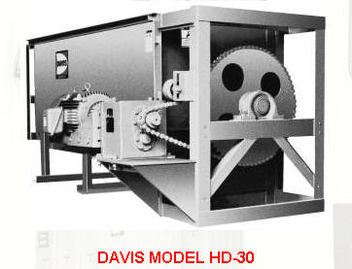

Screw Mixers
Many food ingredients and chemicals are mixed and blended in screw mixers similar to the one above.
Continuous helical screw flights, ribbons, and paddles are used in mixers.

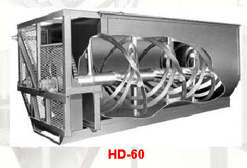

Ribbon Mixer
The H.C. Davis model HD-60 shown above is a typical example of ribbon mixers.
These mixers are available with optional load cells and automated controls for batch operations.



RELATED WEB SITES
Screw Conveyors
www.Ensalco.com
Top Brands - Excellent Service - 24 Hr. Shipping - Call Now for Info
Industrial Screw Conveyors, Inc.
Manufactures screw conveyors, flighting, mixers, and feeders. Products, profile, and engineering data sheets.
www.screwconveyors.com/ - 8k - Cached - Similar pages
Bulk Material Handling Equipment - Screw Conveyor Corporation
Specializing in bulk material handling equipment.
Equipment used in the food processing, chemical, and agriculture industries.
www.screwconveyor.com/ - 9k - Cached - Similar pages

Flexible Screw Conveyors
A Flexicon flexible screw conveyor, also known as a spiral conveyor, screw conveyor, helix conveyor or centerless auger conveyor, consists of a spring steel ...
www.flexicon.com/us/products/FlexibleScrewConveyors/index.asp - 27k - Cached - Similar pages
CEMA Screw Conveyor Manufacturers
Tel: 864-338-7793 Fax: 864-338-8732. Industrial Screw Conveyors, Inc. 4133 Conveyor Drive Burleson, TX 76028 Tel: 817-641-0691 Fax: 817-556-0224 ...
www.cemanet.org/manufacturing/screw_A.html - 19k - Cached - Similar pages
Continental Screw Conveyor
Manufactures screw, bucket, and drag conveyors, and mixers. Includes products and profile.
www.continentalscrew.com/ - 7k - Cached - Similar pages
Martin Sprocket & Gear, Inc. Manufacturer of sprockets, gears ...
Manufactures drag, screw, and shaftless conveyors, and bucket elevators. Contains products, markets served, and technology.
www.martinsprocket.com/ - 9k - Cached - Similar pages
Bulk Material Handling Equipment - Screw Conveyor Corporation
Specializing in bulk material handling equipment. Equipment used in the food processing, chemical, and agriculture industries.
www.screwconveyor.com/ - 9k - Cached - Similar pages
Link-Belt® Screw Conveyor Selection
FMC engineers pioneered the development of Link-Belt® screw conveyors and components for the widest range of materials, purposes and applications. ...
www.fmctechnologies.com/.../Conveying/LinkBeltScrewConveyors/ScrewConveyorSelection.aspx - 87k - Cached - Similar pages
[ More results from www.fmctechnologies.com ]

 | END OF SECTION

Math Tools
MATH TOOLS


Unlock a worksheet with "Unprotect"
Step-1 | HOME
Step-2 | Format
Step-3 | Unprotect Sheet
Step-4 | OK
Lock a worksheet with "Protect Sheet" |  |  | Protect Sheet Box Opens
Step-5 | HOME |  | NEW EXCEL |  |  |  | OLD EXCEL
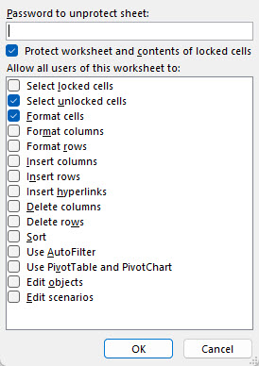
Step-6 | Format
Step-7 | Protect Sheet
Password is not required.

Check the "Protect Sheet" two boxes right >>
 | Select Unlocked Cells
 | Format Cells

 |  |  |  |  |  |  | Step | Enter
 |  |  |  |  |  |  | 1 | 10
 |  |  |  | Follow Steps>> |  |  | 2 | 6
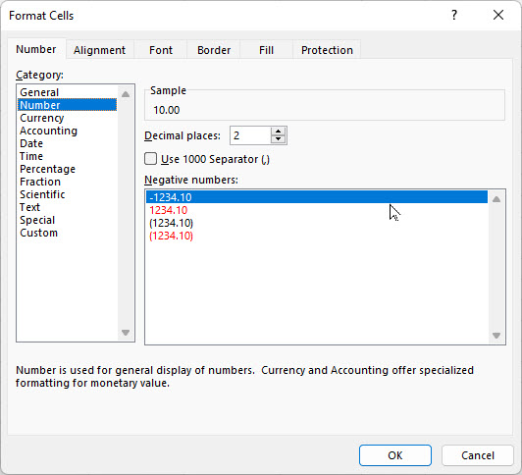
GOAL SEEK |  |  |  | H = | 10.00 | lbs | 3 | Format
 | Input |  |  | V = | 6.00 | llbs | 4 | Format Cells
Horizontal force, H = | 10.00 | lbs |  | TAN(A) = | V/H |  | 5 | Number
Vertical force, V = | 6.00 | lbs |  | = | 0.6000 | number | 6 | Decimal Places
 | Calculation |  |  | Angle A = | ATAN(V/H) |  | 7 | 2
Resultant force, R = | ( H^2 + V^2 )^(1/2) |  |  | = | 0.5404 | radians | 8 | OK
= | 11.7 | lbs |  | A radians = | 57.3*A | degrees | 9 | 10.00
Angle, A = | 57.30 * ATAN(V / H) |  |  | Angle A = | 57.3*A |  | 10 | 6.00
= | 30.97 | deg |  | = | 30.97 | degrees

GOAL SEEK method
Step-1 Select the green cell C38 containing a formula.
Step-2 Select: DATA > What-If Analysis > Goal Seek
Step-3 To value: 14, for example
Step-4 Pick cell containing value to be changed by Excel: C34 or C35 > OK
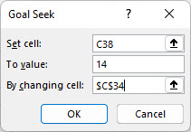
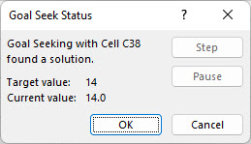

Select > OK and "Goal Seek Status'>> will open > OK

 | END OF SECTION

