Applications
M315 BUCKET ELEVATOR SPREADSHEET

APPLICATIONS
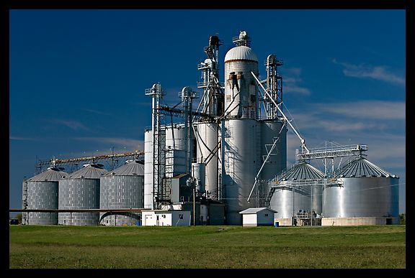

 |  |  |  |  | John Andrew LLC
 |  |  |  |  | Copyright © 12/8/2022
DISCLAIMER: The materials contained in the online course are not intended as a representation or warranty on the part of John Andrew LLC or any other person/organization named herein. The materials are for general information only. They are not a substitute for competent professional advice. Application of this information to a specific project should be reviewed by a registered professional engineer. Anyone making use of the information set forth herein does so at their own risk and assumes any and all resulting liability arising therefrom.
DISCLAIMER: The materials contained in the online course are not intended as a representation or warranty on the part of John Andrew LLC or any other person/organization named herein. The materials are for general information only. They are not a substitute for competent professional advice. Application of this information to a specific project should be reviewed by a registered professional engineer. Anyone making use of the information set forth herein does so at their own risk and assumes any and all resulting liability arising therefrom.
DISCLAIMER: The materials contained in the online course are not intended as a representation or warranty on the part of John Andrew LLC or any other person/organization named herein. The materials are for general information only. They are not a substitute for competent professional advice. Application of this information to a specific project should be reviewed by a registered professional engineer. Anyone making use of the information set forth herein does so at their own risk and assumes any and all resulting liability arising therefrom.
DISCLAIMER: The materials contained in the online course are not intended as a representation or warranty on the part of John Andrew LLC or any other person/organization named herein. The materials are for general information only. They are not a substitute for competent professional advice. Application of this information to a specific project should be reviewed by a registered professional engineer. Anyone making use of the information set forth herein does so at their own risk and assumes any and all resulting liability arising therefrom.

Bucket Elevator Applications
Dust tight bucket elevators show above distribute grain to silos and storage. The three types of bucket elevator in common use: Centrifugal, Continuous, and High Speed are described in this course.
Bucket elevators are used to: lift bulk materials such as: almonds, coal, cement, crushed rock, rice, wheat, and wood chips.
¹Elevator Chain link pitch varies between: 2.308 and 6.0 inches.
Elevator Belts are usually 100% polyester carcass with PVC covers but other covers are available.
Drive Types
Typically the shaft at the top of the elevator, "hood section" is driven but if this is not accessible for maintenance the bottom, "boot section" shaft is driven.
The lowest cost drive is the shaft mount type.
Shaft mount motor/gear drives are standard but an alternate: motor, gearbox, and chain drive may be used to power the elevator.
Take-Up Types
External screw take-ups are provided on each side of the shaft in the boot section for adjustable tension. Internal gravity take-up is also available.
Martin Sprocket and Gear, Arlington TX.

 | Bulk materials elevated by bucket elevators include:

 | Bulk Material | lbs/ft3 | Bulk Material | lbs/ft3
 | Almonds, Broken | 27-30 | Ice, Crushed | 35-45
 | Alumina | 55-65 | Limestone Ore | 140-160
 | Aluminum Chips, Dry | 7-15 | Lime, Ground | 60-65
 | Aluminum Oxide | 60-120 | Lime, Hydrated | 40
 | Ashes, Coal, Dry | 35-40 | Lime, Pebble | 53-56
 | Backing Powder | 40-45 | Limestone, Agricultural | 68
 | Buckwheat | 37-42 | Limestone, Crushed | 85-90
 | Cast Iron Chips | 120-200 | Malt, Dry, Ground | 20-30
 | Cement-Portland | 94 | Malt, Dry, Whole | 20-30
 | Cinders-Coal | 40 | Oats | 26
 | Coal, Bituminous | 43-50 | Rice, Bran | 20
 | Corn, Cracked | 40-50 | Rye | 42-48
 | Corn, Shelled | 45 | Salt, Dry, Fine | 70-80
 | Distiller's Grain, Spent | 14-30 | Sand, Foundry, Shakeout | 90-100
 | Flaxseed | 43-45 | Shale, Crushed | 85-90
 | Granite, Fine | 80-90 | Slag, Blast furnace, Crushed | 130-180
 | Gypsum, Calcined | 55-60 | Slate, Crushed-1/2" | 80-90
 | Gypsum, Raw-1" | 70-80 | Soybeans, Whole | 45-50
 | Hops, Spent, Dry | 35 | Wheat | 45-48
 | Hops, Spent, Wet | 50-55 | Wood Chips, Screened | 10-30

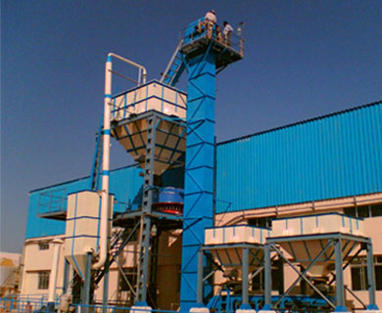

TRUCK LOADING with BUCKET ELEVATOR
A bucket elevator with maintenance platform is pictured above.
Bulk material is elevated into the upper hopper.

 |  | END OF SECTION

Centrifugal
CENTRIFUGAL BUCKET ELEVATOR CAPACITY & POWER

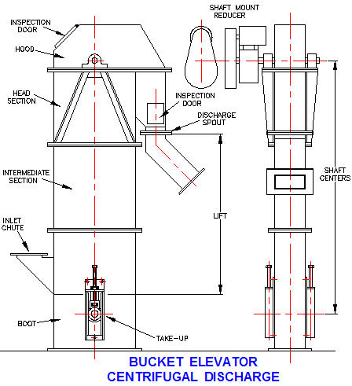

Centrifugal Discharge Bucket Elevator
The bucket elevator right is of the centrifugal discharge type with buckets attached to chain or belt (300 to 3100 cu ft per hr) elevating free-flowing dry materials with small to medium lump sizes that are moderately abrasive such as: grain, coal, or dry chemicals.
Buckets in this type of elevator are partly loaded from the inlet chute and the remainder by scooping material from the bottom of the boot section.
The speed is sufficient to discharge bulk material by centrifugal force at the hood.
Buckets are spaced to avoid interference in loading and discharging.

Centrifugal Buckets
Cast malleable iron or fabricated steel buckets left are used in centrifugal discharge buckets.
Power and capacity calculation are given below.
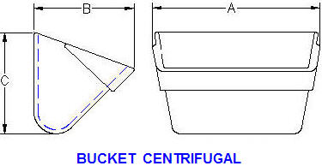

Centrifugal Discharge Elevator with Buckets Attached to Chain

Lump Size, in | Speed | Bucket | Head Spkt | Buckets 100% Full
90% / 10% | ft/min | Spacing | Pitch dia | A in | B in | C in
0.50 / 2.5 | 224 | 13.00 | 20.0 | 6.0 | 4.00 | 4.25
0.75 / 3.0 | 260 | 16.00 | 20.5 | 8.0 | 5.00 | 5.50
1.00 / 3.5 | 260 | 18.00 | 25.0 | 10.0 | 6.00 | 6.25
1.25 / 4.0 | 303 | 18.00 | 30.5 | 12.0 | 7.00 | 7.25
1.25 / 4.0 | 303 | 18.00 | 30.5 | 14.0 | 7.00 | 7.25
1.25 / 4.5 | 306 | 19.00 | 30.5 | 16.0 | 8.00 | 8.50

Bucket Fill Level
Buckets are normally filled to 75% capacity. Elevator owners often run their elevators at 100% which can cause excessive spillage and breakdowns.
Recommended Bucket capacity fill percent:
p = 75%
 |  | CENTRIFUGAL BUCKETS ON CHAIN
 |  |  |  | Input
 |  |  | Bulk Material = | Coal, Anthracite
 |  |  | Bulk material density, d = | 50 | lbs/cu ft
 |  |  | Lump size, 90% x 10% = | < 1/2 | in
 |  |  | Elevator speed, S = | 260 | ft/min
 |  |  | Bucket spacing, X = | 16.00 | in
 |  |  | Bucket dimension, A = | 12.00 | in
 |  |  | Bucket dimension, B = | 7.00 | in
 |  |  | Bucket dimension, C = | 7.25 | in
 |  |  | Bucket capacity fill percent, p = | 75% | -
 |  |  | Elevator sprocket centers, H = | 100 | ft
 |  |  |  | Calculations
 |  |  | Bucket capacity 100% full, v = | (A * B * C)/3200
Spread Sheet Method
1. Type in values for Input data.
2. The Calculation has been programmed.
3. Answers will be calculated.
4. See "Math Tools" tab below for more.
 |  |  | = | 0.190 | cu ft
 |  |  | Cubic feet per foot of chain, U = | v * p * 12 / X | p% full
 |  |  | = | 0.107 | cu ft/ ft
 |  |  | Elevator volume capacity, V = | 60 * U * S
 |  |  | = | 1670 | cu ft/hr
 |  |  | Elevator weight capacity, W = | V * d / 2000
 |  |  | = | 41.75 | tons/hr
 |  |  | Approx head sprkt pitch circle dia, PD = | -0.1696*A^2 + 4.4464*A - 6.0714
 |  |  | = | 22.9 | in
 |  |  | Head sprocket revs per min, N = | S / (π * PD/12)
 |  |  | = | 43 | rpm
 |  |  | Chain or Belt pull, P = | U * d * H
 |  |  | = | 535 | lbs
 |  |  | Conveyor startup & drive efficiency e = | 0.843
 |  |  | Elevator motor power, HP = | P * S / (e * 33000)
 |  |  | = | 5.0 | hp

 |  | Centrifugal Discharge Elevator with Buckets Attached to Belt

 |  | Lump Size, in | Speed | Bucket | Head | Buckets 100% Full
 |  | 90% / 10% | ft/min | Spacing | Pulley dia | A in | B in | C in
 |  | 0.50 / 2.5 | 236 | 13.00 | 20.0 | 6.0 | 4.00 | 4.25
 |  | 0.75 / 3.0 | 270 | 16.00 | 24.0 | 8.0 | 5.00 | 5.50
 |  | 1.00 / 3.5 | 270 | 16.00 | 24.0 | 10.0 | 6.00 | 6.25
 |  | 1.25 / 4.0 | 314 | 18.00 | 30.0 | 12.0 | 7.00 | 7.25
 |  | 1.25 / 4.0 | 314 | 18.00 | 30.0 | 14.0 | 7.00 | 7.25
 |  | 1.25 / 4.5 | 314 | 18.00 | 30.0 | 16.0 | 8.00 | 8.50

 |  | CENTRIFUGAL BUCKETS ON BELT

Bucket Fill Level
Buckets are normally filled to 75% capacity.
Elevator owners who run their elevators at 100% which can cause excessive spillage and breakdowns.
Recommended Bucket capacity fill percent: p = 75%.
Belt width = A + 1 in
 |  |  |  | Input
 |  |  | Bulk Material = | Coal, Anthracite
 |  |  | Bulk material density, d = | 50 | lbs/cu ft
 |  |  | Lump size, 90% x 10% = | < 1/2 | in
 |  |  | Elevator speed, S = | 270 | ft/min
 |  |  | Bucket spacing, X = | 16.00 | in
 |  |  | Bucket dimension, A = | 12.00 | in
 |  |  | Bucket dimension, B = | 7.00 | in
 |  |  | Bucket dimension, C = | 7.25 | in
 |  |  | Bucket capacity fill percent, p = | 75% | -
 |  |  | Elevator sprocket centers, H = | 100 | ft
 |  |  |  | Calculations
 |  |  | Bucket capacity 100% full, v = | (A * B * C)/3200
 |  |  | = | 0.190 | cu ft
 |  |  | Cubic feet per foot of chain, U = | v * p * 12 / X | p% full
 |  |  | = | 0.107 | cu ft/ ft
 |  |  | 1Elevator volume capacity, V = | 60 * U * S
 |  |  | = | 1734 | cu ft/hr
 |  |  | 1Elevator weight capacity, W = | V * d / 2000
 |  |  | = | 43.36 | tons/hr
 |  |  | Approx head sprkt pitch circle dia, PD = | -0.1696*A^2 + 4.4464*A - 6.0714
 |  |  | = | 22.9 | in
 |  |  | Approx head sprocket rpm, N = | S / (π * PD/12)
 |  |  | = | 45 | rpm
 |  |  | Chain or Belt pull, P = | U * d * H
 |  |  | = | 535 | lbs
 |  |  | Conveyor startup & drive efficiency e = | 0.45
 |  |  | Elevator motor power, HP = | P * S / (e * 33000)
 |  |  | = | 9.8 | hp

 |  |  | END OF SECTION

Continuous
CONTINUOUS DISCHARGE BUCKET ELEVATOR CAPACITY & POWER

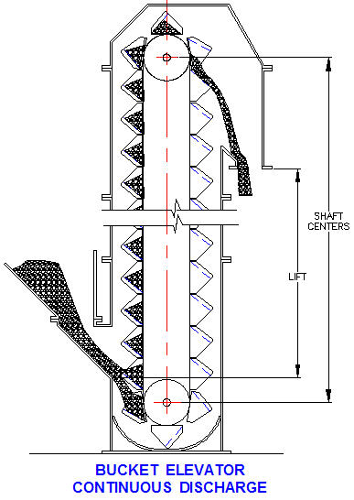
Continuous Discharge
Bucket Elevator
This elevator has continuous discharge with buckets attached to chain (590 to 2300 cu ft per hr) or belt (945 to 3780 cu ft per hr) elevating free-flowing dry or sluggish materials with small to medium lump sizes that are moderately to extremely abrasive.
Closely spaced buckets form chutes directing material into the buckets in the boot section.
At the hood section of the elevator, bulk material is discharged from each bucket flowing over the back of the preceding bucket.
Gentle prevents excessive degradation maling this type of elevator suitable for handling finely pulverized materials.

Continuous Buckets
Non-overlapping fabricated steel buckets left are used in continuous discharge buckets for general service.
Heavier gages and other materials are available for handling more abrasive bulk materials.
Refer to vendor on-line catalogs for power and capacity data.
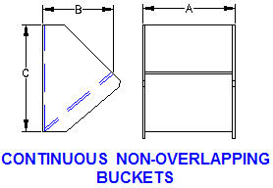

Continuous Discharge Elevator with Buckets Attached to Chain

Lump Size, in | Speed | Bucket | Head Spkt | Bucket Capacity 100% full.
90% / 10% | ft/min | Spacing | Pitch dia | A in | B in | C in
0.50 / 2.5 | 125 | 8.00 | 20.5 | 10.0 | 5.00 | 7.75
0.75 / 3.0 | 125 | 12.00 | 25.0 | 10.0 | 7.00 | 11.63
1.00 / 3.5 | 125 | 12.00 | 25.0 | 12.0 | 8.00 | 11.63
1.25 / 4.0 | 125 | 12.00 | 25.0 | 14.0 | 8.00 | 11.63
1.25 / 4.0 | 125 | 12.00 | 25.0 | 16.0 | 8.00 | 11.63
1.25 / 4.5 | 125 | 12.00 | 25.0 | 18.0 | 8.00 | 11.63

 |  | CONTINUOUS BUCKETS ON CHAIN
 |  |  |  | Input
 |  |  | Bulk Material = | Gypsum, Raw 1" Lumps
 |  |  | Bulk material density, d = | 75 | lbs/cu ft
Bucket Fill Level
Buckets are normally filled to 75% capacity.
Elevator owners often run their elevators at 100% which can cause excessive spillage and breakdowns.
Recommended Bucket capacity fill percent: p = 75%
 |  |  | Lump size, 90% x 10% = | < 1.0 | in
 |  |  | Elevator speed, S = | 125 | ft/min
 |  |  | Bucket spacing, X = | 12.00 | in
 |  |  | Bucket dimension, A = | 10.00 | in x in
 |  |  | Bucket dimension, B = | 7.00 | in x in
 |  |  | Bucket dimension, C = | 11.63 | in x in
 |  |  | Bucket capacity fill percent, p = | 75% | -
 |  |  | Elevator sprocket centers, H = | 100 | ft
 |  |  |  | Calculations
 |  |  | Bucket capacity 100% full, v = | (A * B * C)/4240
 |  |  | = | 0.19 | cu ft
 |  |  | Cubic feet per foot of chain, U = | v * p * 12 / X | p% full
 |  |  | = | 0.144 | cu ft/ ft
 |  |  | 1Elevator volume capacity, V = | 60 * U * S
 |  |  | = | 1080 | cu ft/hr
 |  |  | 1Elevator weight capacity, W = | V * d / 2000
 |  |  | = | 40.50 | tons/hr
 |  |  | Approx head sprkt pitch circle dia, PD= | -0.1696*A^2 + 4.4464*A - 6.0714
 |  |  | = | 21.4 | in
 |  |  | Head sprocket revs per min, N = | S / (π * PD/12)
 |  |  | = | 477 | rpm
 |  |  | Chain or Belt pull, P = | U * d * H
 |  |  | = | 1080 | lbs
 |  |  | Conveyor startup & drive efficiency e = | 0.55
 |  |  | Elevator motor power, HP = | P * S / (e * 33000)
 |  |  |  | 7.4 | hp

CONTINUOUS BUCKETS ON BELT AT 200 ft/min
Lump Size, in | Speed | Bucket | Head | Bucket Capacity 100% full.
90% / 10% | ft/min | Spacing | Pulley dia | A in | B in | C in
0.50 / 2.5 | 200 | 13.00 | 20.0 | 8.0 | 5.00 | 7.75
0.75 / 3.0 | 200 | 16.00 | 24.0 | 10.0 | 5.00 | 7.75
1.00 / 3.5 | 200 | 16.00 | 24.0 | 12.0 | 7.00 | 11.63
1.25 / 4.0 | 200 | 18.00 | 30.0 | 14.0 | 8.00 | 11.63
1.25 / 4.0 | 200 | 18.00 | 30.0 | 16.0 | 8.00 | 11.63
1.25 / 4.5 | 200 | 18.00 | 30.0 | 18.0 | 8.00 | 11.63

 |  | CONTINUOUS BUCKETS ON BELT
 |  |  |  | Input
 |  |  | Bulk Material = | Gypsum, Raw 1" Lumps
Bucket Fill Level
Buckets are normally filled to 75% capacity. Elevator owners who run their elevators at 100% which can cause excessive spillage and breakdowns.
Recommended Bucket capacity fill percent: p = 75%.
Belt width = A + 1 in
 |  |  | Bulk material density, d = | 75 | lbs/cu ft
 |  |  | Lump size, 90% x 10% = | < 1.0 | in
 |  |  | Elevator speed, S = | 200 | ft/min
 |  |  | Bucket spacing, X = | 12.00 | in
 |  |  | Bucket dimension, A = | 14.00 | in x in
 |  |  | Bucket dimension, B = | 8.00 | in x in
 |  |  | Bucket dimension, C = | 11.63 | in x in
 |  |  | Bucket capacity fill percent, p = | 75% | -
 |  |  | Elevator sprocket centers, H = | 100 | ft
 |  |  |  | Calculations
 |  |  | Bucket capacity 100% full, v = | (A * B * C)/3990
 |  |  | = | 0.326 | cu ft
 |  |  | Cubic feet per foot of chain, U = | v * p * 12 / X | p% full
 |  |  | = | 0.245 | cu ft/ ft
 |  |  | Elevator volume capacity, V = | 60 * U * S
 |  |  | = | 2938 | cu ft/hr
 |  |  | Elevator weight capacity, W = | V * d / 2000
 |  |  | = | 110.18 | tons/hr
 |  |  | Approx head sprkt pitch circle dia, PD= | -0.1696*A^2 + 4.4464*A - 6.0714
 |  |  | = | 22.9 | in
 |  |  | Head sprocket revs per min, N = | S / (π * PD/12)
 |  |  | = | 33 | rpm
 |  |  | Chain or Belt pull, P = | U * d * H
 |  |  | = | 1836 | lbs
 |  |  | Conveyor start up & drive efficiency e = | 0.56
 |  |  | Elevator motor power, HP = | P * S / (e * 33000)
 |  |  |  | 19.9 | hp

 |  |  | END OF SECTION

High Speed
CONTINUOUS DISCHARGE BUCKET ELEVATOR CAPACITY & POWER

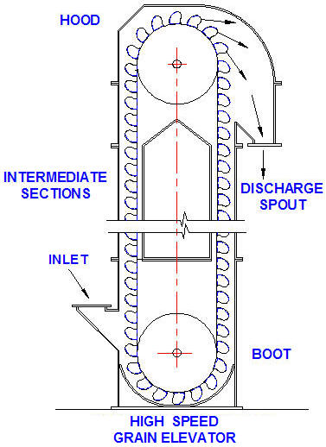
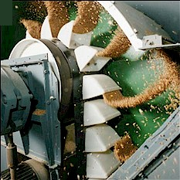
High Speed Grain
Bucket Elevator
The bucket elevator right is of the centrifugal discharge type with buckets attached to belt (1500 to 7880 cu ft per hour) elevating grain or other dry free-flowing materials with small lump sizes that are moderately abrasive.
Buckets in this type of elevator are partly loaded from the inlet chute and the remainder by scooping material from the bottom of the boot section.
The speed is sufficient to discharge bulk material by centrifugal force at the hood.
Buckets are spaced to avoid interference in loading and discharging.

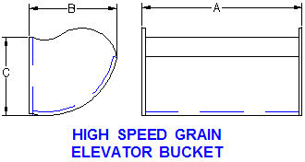
High Speed Buckets
Fabricated steel buckets left shaped to prevent premature discharge in high speed grain elevators.
Power and capacity calculation are given below.

High Speed Grain Elevator with Buckets Attached to Belt
 | Speed | Bucket | Head | Bucket Capacity 100% full.
 | ft/min | Spacing | Pulley dia | A in | B in | C in
 | 503 | 7.00 | 24.0 | 7.0 | 5.00 | 4.50
 | 590 | 7.00 | 30.0 | 9.0 | 5.00 | 4.50
 | 660 | 7.00 | 36.0 | 9.0 | 6.00 | 5.38
 | 660 | 8.00 | 36.0 | 11.0 | 6.00 | 5.38
 | 660 | 8.00 | 36.0 | 12.0 | 6.00 | 5.38
 | 660 | 9.00 | 42.0 | 14.0 | 6.00 | 5.38

Bucket Fill Level
Buckets are normally filled to 75% capacity.
Elevator owners who run their elevators at 100% can cause excessive spillage and breakdowns.
Recommended Bucket capacity fill percent: p = 75%.
Belt width = A + 1 in
Spread Sheet Method
1. Type in values for Input data.
2. The Calculation has been programmed.
3. Answers will be calculated.
Protect or Unprotect Spreadsheet
1. Select drop-down menu: Tools.
2. Toggle: Protect or Unprotect.
3. OK.
 |  | Input
 | Bulk Material = | Wheat
 | Bulk material density, d = | 47 | lbs/cu ft
 | Lump size, 90% x 10% = | < 1/4 | in
 | Elevator speed, S = | 659 | ft/min
 | Bucket spacing, X = | 9.00 | in
 | Bucket dimension, A = | 12.00 | in x in
 | Bucket dimension, B = | 6.00 | in x in
 | Bucket dimension, C = | 5.38 | in x in
 | Bucket capacity fill percent, p = | 75% | -
 | Elevator sprocket centers, H = | 100 | ft
 |  | Calculations
 | Bucket capacity 100% full, v = | (A * B * C)/2077
 | = | 0.1865 | cu ft
 | Cubic feet per foot of chain, U = | v * p * 12 / X
 | = | 0.186 | cu ft/ ft
 | 1Elevator volume capacity, V = | 60 * U * S * .81
 | = | 5973 | cu ft/hr
 | 1Elevator weight capacity, W = | V * d / 2000
 | = | 140.37 | tons/hr
 | Approx head sprkt pitch circle dia, PD= | 2.3503x + 9.5172
 |  | 37.7 | in
 | Head sprocket revs per min, N = | S / (π * PD/12)
 | = | 67 | rpm
 | Chain or Belt pull, P = | U * d * H
 | = | 877 | lbs
 | Conveyor start up & drive efficiency e = | 0.65
 | Elevator motor power, HP = | P * S / (e * 33000)
 |  | 26.9 | hp

 |  | END OF SECTION

Math Tools
Spread Sheet Method
1. Type in values for Input data.
2. The Calculation has been programmed.
3. Answers will be calculated.
MATH TOOLS
 |  |  | Select Format > Unprotect Sheet
 |  |  | Protect Sheet Opens

Unlock a worksheet with "Unprotect"
Step-1 | HOME
Step-2 | Format
Step-3 | Unprotect Sheet
Step-4 | OK

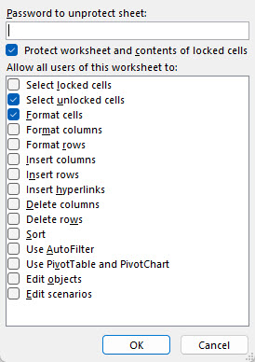
Lock a worksheet with "Protect Sheet"
Step-5 | HOME |  |  | NEW EXCEL |  |  | OLD EXCEL
Step-6 | Format
Step-7 | Protect Sheet

 |  | Check the "Protect Sheet" two boxes right >>
 |  | Select Unlocked Cells
 |  | Format Cells

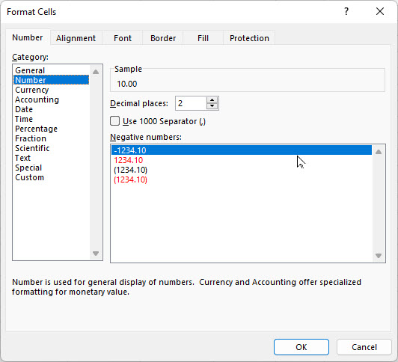
 |  |  |  |  |  | Step | Select
 |  |  |  |  |  | 1 | Format
 |  |  | Follow Steps |  |  | 2 | Format ells
GOAL SEEK |  |  | H = | 10.00 | lbs | 3 | 10
 | Input |  | V = | 6.00 | llbs | 4 | 6
Horizontal force, H = | 10.00 |  | TAN(A) = | V/H |  | 5 | Format
Vertical force, V = | 6.00 |  | = | 0.6000 | number | 6 | Format Cells
 | Calculation |  | Angle A = | ATAN(V/H) |  | 7 | Number
Resultant force, R = | ( H^2 + V^2 )^(1/2) |  | = | 0.5404 | radians | 8 | Decimal Places
= | 11.7 |  | A radians = | 57.3*A | degrees | 9 | 2
Angle, A = | 57.30 * ATAN(V / H) |  | Angle A = | 57.3*A |  | 10 | OK
= | 30.97 |  | = | 30.97 | degrees

GOAL SEEK method
Step-1 Select the green cell C38 containing a formula.
Step-2 Select: DATA > What-If Analysis > Goal Seek
Step-3 To value: 14, for example
Step-4 Pick cell containing value to be changed by Excel: C34 or C35 > OK

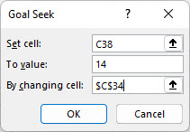
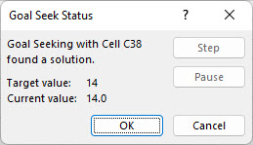

Select > OK and "Goal Seek Status'>> will open > OK

 | END OF SECTION

